
 |  |  |  | CODE: |  |  | pl1040 ae SN from 00E200
DESCRIPTION: |  | TANK : SUCTION |  | TANK:ANSAUGUNG | RESERVOIR : ASPIRATION | TANQUE: SUCCIÓN | SERBATOIO: ASPIRAZIONE

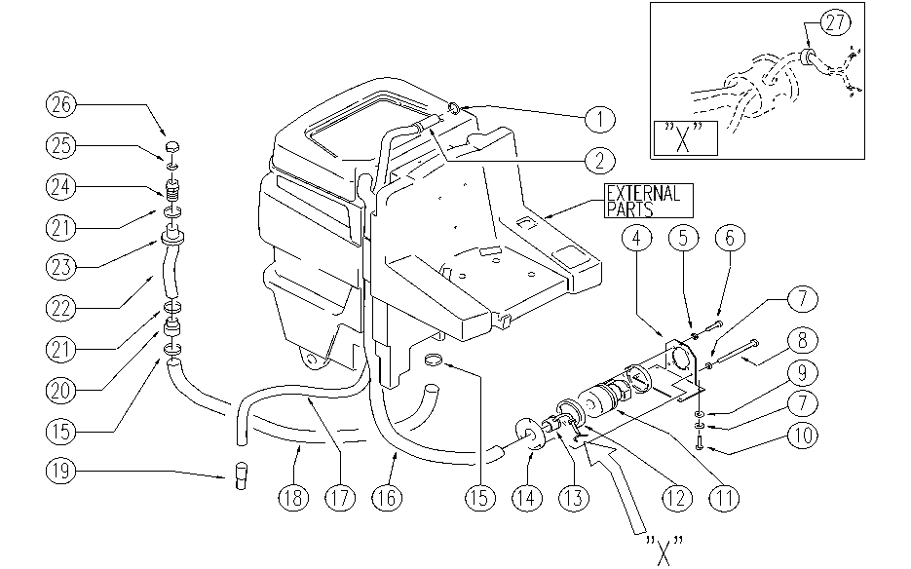

REF. | CODE | DESCRIPTION | QT
1 | E89074 | Gasket for WS36 | 1
2 | E89470 | Sleeve | 1
4 | SL09684 | SUPPORT | 1
5 | E86707 | Cham Washer D10 | 4
6 | SL04223 | SCREW | 4
7 | E86700 | Cham Washer D6 | 7
8 | SL04247 | SCREW | 3
9 | E86704 | Washer D 6-18 | 4
10 | E86366 | screw WS20 | 4
11 | E86805 | Vacuum Motor | 1
12 | E86612 | Gasket | 2
13 | SL17565 | CONNECTOR | 1
14 | SL09685 | FLANGE | 1
15 | E86557 | clamp AS30/36 | 2
16 | E86948 | Hose | 1
17 | E86848 | Vacuum Hose | 1
18 | E86866 | Recovery Hose | 1
19 | E86849 | Sleeve | 1
20 | E86965 | Connector | 1
21 | SL14079 | CLAMP | 2
22 | E86962 | Sheath, Drain Hose | 1
23 | E86961 | Adapter, Drain Hose | 1
24 | E86966 | Hose Holder | 1
25 | E86968 | Gasket | 1
26 | E86967 | Cap | 1
27 | E89273 | Fairlead | 1

